Introduction


Welcome to the Green Stormwater Infrastructure Drainage Credit Calculator Version 1, May 2018
This calculator will help estimate how much credit your site can earn if you install various stormwater management practices.

How to Use Calculator
This calculator has a variety of tabs including, Background Information, a Glossary, a Unit Converter, a Next Steps, and an Assumptions tab.

The | Light Green | tabs to help calculate some of the inputs needed such as Drainage Areas, Stormwater Practice Areas, and EWD (advanced version only)
The | Light Orange | tabs offer additional information and include background information, a unit convertor, a glossary, and the next steps.

Short Cuts

Click on square for a shortcut to the following tabs:

Equivalent Water Depth (EWD) Calculator
Credit Calculator
How to Determine a Drainage Area
How to Calculate Practice Areas

The Next Steps
 |  |  |  |  | Once you have finished filling in your information and a credit has been calculated, go to | "Next Steps" | Tab for your next step options.

Formatting and Nomenclature
The following formatting and nomenclature is used throughout this calculator.
Input |  | Cells requiring input have an orange background
Calculation |  | Calculation cells are shown with a gray background and orange typeface
No Information Needed |  | Cells not requiring an input are shown with a gray background and grey typeface

If you have questions please call or email DWSD
Email: | drainage@detroitmi.gov |  | Phone: | 313-267-8000 opt. 6

Disclaimer
This tool is for estimating purposes only. Improper use of the calculator will result in incorrect credits. Final determination of credits will be made by DWSD after submittal of credit application with required backup documentation.

Glossary
A Guide to Credits for Commonly Used Stormwater Management Practices
Glossary of Terms
This glossary explains some of the commonly used terms in this credit calculator. Additional information about these terms can also be found in the "A Guide to Credits for Commonly Used Stormwater Management Practices" provided in the link.

Terms

Bioretention is a water quality practice that are landscaped, shallow depressions that capture and temporarily store stormwater runoff. Runoff intercepted by the practice is then filtered through the soil (often engineered soil filter media).

Combined Sewer is a sewer that collects both sewerage and rain/snow and transports it to a waste water treatment plant.

Detention is a stormwater management practice that temporarily stores stormwater and releases it at a controlled rate.

Disconnected Impervious Surfaces are a stormwater management practice that directs runoff from impervious surfaces onto properly sized, sloped, and vegetated surfaces.

Downspout Disconnection is the process of disconnecting roof downspouts from the sewer system and redirecting the roof runoff onto pervious surfaces, most commonly a lawn.

Effective Porosity is the difference between the total void space and the water that is held in the soil particles due to capillary action.

Equivalent Water Depth (EWD) defines the depth of water that can be stored in the mix of surface and subsurface storage based on the depth and the effective porosity of each layer.

Green Stormwater Infrastructure (GSI) are designed or constructed to reduce or control the volume and rate at which stormwater leaves a site. This is also referred to as a Stormwater Management Practice.

Infiltration: the process by which rain soaks into the soil or subsurface.

Impervious Surfaces : are hard surface areas which either prevent or retard the entry of water into the soil in the manner that such water entered the soil under natural conditions pre-existent to development, or which cause water to run off the surface in greater quantities or at an increased rate of flow than that present under natural conditions pre-existent to development, including but not limited to such surfaces as roof tops, crushed stone, gravel, asphalt or concrete paving, driveways and parking lots, walkways, patio areas, storage areas, or other surfaces which similarly affect the natural infiltration or runoff patterns existing prior to development. By definition, surfaces which are driven on, or used for parking are impervious surfaces.

Managed Impervious Area is the impervious area of the property that drains into the stormwater management practice. As it is impervious it only includes the area of surfaces that water cannot flow through.

Permeable Pavement is a type of pavement that allows stormwater to infiltrate through it and into the soil.

Retention is a stormwater management practice that permanently reduces volume. The captured water is reused for irrigation or allowed to naturally infiltrate and evapotranspire.

Site Credit the proration of the practice credit based on how much of the site is managed.

Stormwater is water generated from rain and snowmelt that flows over the land.

Stormwater Practice Area (SWPA) determines the ability of the practice to infiltrate into the underlying soil. It is the effective area from which infiltration can occur. The area is defined differently for each practice.

Subsurface Detention Storage performs the same function as a detention basin however stormwater is routed to underground vaults or a system of large diameter storage pipes.

2-year 24-hour Storm Event: the frequency at which a particular amount of rainfall in a given duration. For a 2-year 24-hour storm, the estimated amount of rainfall is 2.33 inches for Detroit. (NOAA).

100-year 24-hour Storm Event: the frequency at which a particular amount of rainfall in a given duration. For a 100-year 24-hour storm, the estimated amount of rainfall is 5.13 inches for Detroit. (NOAA).

Disclaimer
This tool is for estimating purposes only. Improper use of the calculator will result in incorrect credits. Final determination of credits will be made by DWSD after submittal of credit application with required backup documentation.

How to Determine Drainage Area
How to Determine Managed Impervious Areas
The Managed Impervious Area is the area from where stormwater is direct to a Green Stormwater Infrastructure (GSI) practice.

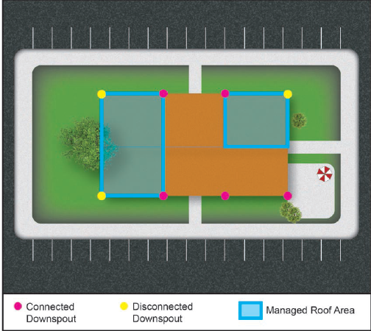
For a Downspout Disconnect
 | The drainage area is the portion of the roof draining to the downspout that is being disconnected.
 |  | Example: This example shows which downspouts can earn a credit and the impervious area that drains to each downspout.

For a Bioretention Practice located next to a parking lot
 | The managed impervious area is the portion of the parking lot sloped so that water flows into the bioretention practice.
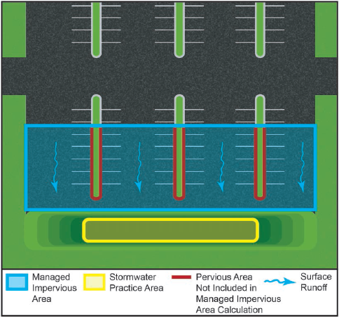
 |  | Example: The managed impervious area does not include the pervious area in the grassy parking lot islands because they produce no runoff to the parking lot.

For more examples, check the "Guide to Credits for Commonly Used Stormwater Management Practices"

Disclaimer
This tool is for estimating purposes only. Improper use of the calculator will result in incorrect credits. Final determination of credits will be made by DWSD after submittal of credit application with required backup documentation.

EWD Calculator
Equivalent Water Depth Calculation Sheet

Many stormwater managment practices rely on the temporary storage of stormwater in designed surface and subsurface storage. This storage occurs on the surface of a practice (such as temporarily ponded water on a bioretention system), and below the surface in layers of soil and aggregate. The performance of the stormwater management practice is directly related to this storage volume. The Equivalent Water Depth(EWD) defines the depth of water that can be stored in the mix of surface and subsurface storage.

$$EWD(in)=surface storage\left(in\right)+\left(soil depth\left(in\right)∗effective porosity\right)+\left(aggregate depth \left(in\right)∗effective porosity\right)$$

 | EWD Detention: The depth of water storage ABOVE the Underdrain/Exit Pipe. The depth of water storage is based on soil type and effective porosity |  |  |  |  | EWD Retention: The depth of water storage UNDER the Underdrain/Exit Pipe. The depth of water storage is based on soil type and effective porosity

 |  | Infiltration Rate: |  |  | 0.1
 |  |  | Maximum EWD (in): |  | 7.2
Equivalent Water Depth Calculator
Practice | Surface Storage (in) | Soil Depth (In) | Soil Effective Porosity | Aggregate Depth (in) |  | Aggregate Effective Porosity | Inches Underdrain is off the bottom of practice | EWD- Retention Zone (in) | EWD-Detention Zone (in)
1 | 4 | 15 | 0.2 | 20 |  | 0.3 | 25 | 7 | 6
2 |  |  |  |  |  |  |  | 0 | 0
3 |  |  |  |  |  |  |  | 0 | 0
4 |  |  |  |  |  |  |  | 0 | 0
5 |  |  |  |  |  |  |  | 0 | 0

Disclaimer
This tool is for estimating purposes only. Improper use of the calculator will result in incorrect credits. Final determination of credits will be made by DWSD after submittal of credit application with required backup documentation.

For instances where the infitlration rates are not measured at the practice location, a maximum value of 0.1 inches per hour infiltration rate is permitted.

Next Steps
Next Steps
Refer to the Guide for Credit Application Process and Renewals for more infomratin about the next steps. These next steps may include submitting a credit application, submitting an adjustment application, requesting a site assessment, or requesting additional information.

A Guide for Credit Application and Process Renewals

If you have questions please call or email DWSD
Email: | drainage@detroitmi.gov | Phone: | 313-267-8000 Opt. 6

Disclaimer
This tool is for estimating purposes only. Improper use of the calculator will result in incorrect credits. Final determination of credits will be made by DWSD after submittal of credit application with required backup documentation.

